Variance
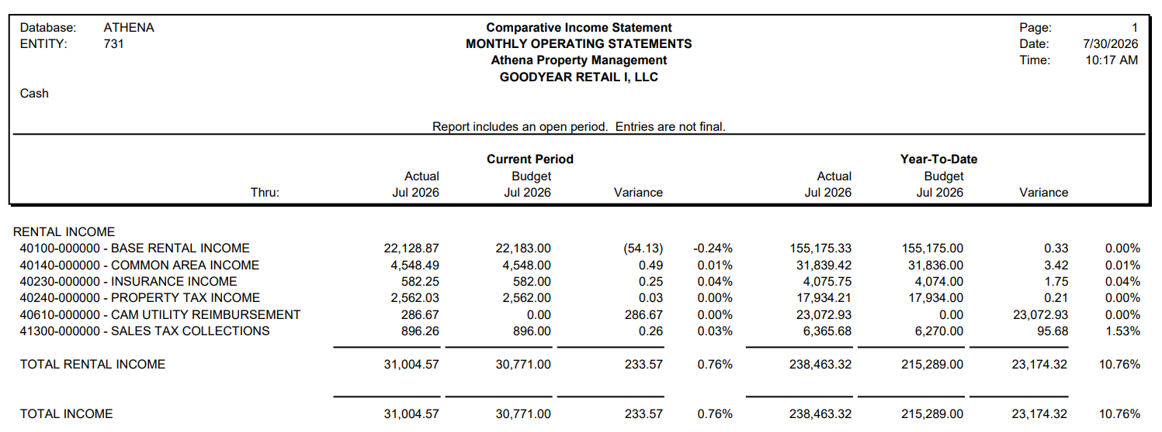
731
VARIANCE REPORT
2026
 | JUNE |  |  |  | JULY |  |  |  | YTD
 |  |  |  |  |  |  |  |  |  |  | 2026
 | Budget | Cash Receipts | Variance | Comments | Budget | Cash Receipts | Variance | Comments |  | Budget | Cash Receipts | Variance
VACANT (old Big Lots) |  |  | - |  |  |  | 0.00 |  | VACANT (old Big Lots) | - | - | -
Planet Fitness | 28,917.10 | 28,917.09 | (0.01) |  | 28,917.10 | 28,917.09 | (0.01) |  | Planet Fitness | 202,419.73 | 202,419.62 | (0.11)
EV Charging Station | 1,854.83 | 1,854.83 | - |  | 1,854.83 | 1,800.81 | (54.02) | The BAS($54.02) Credit applied | EV Charging Station | 12,875.78 | 12,875.77 | (0.01)
SIRIT HALLOWEEN | - | - | - |  |  |  | 0.00 |  | SIRIT HALLOWEEN | - | 21,086.29 | 21,086.29 | $21,086.29 Utilities charged and received during short trm rent in Jan'26 & Apr'26
UTILITIES INCOME | - | - | - |  |  |  | 0.00 |  | UTILITIES INCOME | - | 1,504.93 | 1,504.93 | $1,504.93 Budget vs pmt for regular utilities in Jan'26 - May'26
CAM UTILITY REIMBURSEMENT | - | 290.04 | 290.04 | Budget vs Pmt for CAM utilities |  | 286.67 | 286.67 | Budget vs Pmt for CAM utilities |  | - | 576.71 | 576.71 | Budget vs Pmt for CAM utilities Jun'26 & Jul'26
 | - |  | - |  |  |  | 0.00
 |  |  | - |  |  |  | 0.00
Totals | 30,772 | 31,062 | 290 |  | 30,771.93 | 31,004.57 | 232.64 |  |  | 215,295.52 | 238,463.32 | 23,167.80
 | 30,771.00 | 31,061.96 | 290.96 |  | 30,771.00 | 31,004.57 | 233.57 |  |  | 215,289.00 | 238,463.32 | 23,174.32 | i/s
 | (0.93) | - | 0.93 |  | (0.93) | - | 0.93 |  |  | 6.52 | - | (6.52)

CAM Majors
ATHENA PROPERTY MANAGEMENT |  |  |  |  |  | 2026 OPERATING BUDGET |  |  |  |  |  |  |  |  |  |  | 2026 OPERATING BUDGET
Goodyear Arizona Big Lots |  |  |  |  |  | Goodyear Arizona Big Lots |  |  |  |  |  |  |  |  |  |  | Goodyear Arizona Big Lots
01/01/2026 TO 12/31/2026 |  |  |  |  |  | 01/01/2026 TO 12/31/2026 |  |  |  |  |  |  |  |  |  |  | 01/01/2026 TO 12/31/2026
2026 OPERATING BUDGET

 |  |  |  |  |  |  | Tenant: | VACANT (old Big Lots) |  |  |  |  |  |  |  |  | Tenant: | Planet Fitness
 |  |  |  |  |  |  | Unit Number: | 409-117 |  |  |  |  |  |  |  |  | Unit Number: | 409-112 |  |  | CAM CAP 3%
 |  |  |  |  |  |  | Square Footage: | 28,159 |  |  |  |  |  |  |  |  | Square Footage: | 22,235
 |  |  |  |  |  |  |  |  |  |  |  |  |  |  |  |  |  |  |  |  |  |  |  |  |  |  | CAM CAP Contollable expenses are not allowed to increase by more than 3% over previous calculated on a cumulative basis. Controllable expenses shall mean utilities, trash, security, snow and ice removal, etc.)
G.L. Code | Expense Category |  | Annual Expense |  | Demoninator |  |  |  |  |  |  |  | Admin |  |  |  |  |  |  |  |  |  | Admin
 |  |  |  |  |  | G.L. |  | Center Total | Less | Billable | Tenant | Billable | Fee | Total |  | G.L. |  | Center Total | Less | Billable | Tenant | Billable | Fee | Total
 |  |  |  |  |  | Code | Description | Total | Exclusions | Amount | Share | Amount | 10% | Due |  | Code | Description | Total | Exclusions | Amount | Share | Amount | 5% | Due

 | INSURANCE |  |  |  |  |  | INSURANCE |  |  |  |  |  |  |  |  |  | INSURANCE
50112 | Insurance - Liability |  |  | - | 50,394 | 50112 | Insurance - Liability | - | - | - | 55.88% | - | - | - |  | 50112 | Insurance - Liability | - | - | - | 44.12% | - | - | -
50120 | Insurance - Property/General |  |  | 15,836 | 50,394 | 50120 | Insurance - Property/General | 15,835.60 | (15,835.60) | - | 55.88% | - | - | - |  | 50120 | Insurance - Property/General | 15,835.60 |  | 15,835.60 | 44.12% | 6,987.03 | - | 6,987.03 |  |  | 2024 | $32,711.50
51043 | Insurance - Business Owners Policy |  |  | - | 50,394 | 51043 | Insurance - Business Owners Policy | - | - | - | 55.88% | - | - | - |  | 51043 | Insurance - Business Owners Policy | - | - | - | 44.12% | - | - | - |  |  | 2025 | $33,692.85
50140 | Insurance - Flood & Earthquake |  |  | - | 50,394 | 50140 | Insurance - Flood & Earthquake | - | - | - | 55.88% | - | - | - |  | 50140 | Insurance - Flood & Earthquake | - | - | - | 44.12% | - | - | - |  |  | 2026 | $34,703.63
50130 | Umbrella - Insurance |  |  | - | 50,394 | 50130 | Umbrella - Insurance | - | - | - | 55.88% | - | - | - |  | 50130 | Umbrella - Insurance | - |  | - | 44.12% | - | - | -

 | SUBTOTAL INSURANCE |  |  | 15,836 |  |  | SUBTOTAL INSURANCE | 15,835.60 | (15,835.60) | - |  | - | - | - | - |  | SUBTOTAL INSURANCE | 15,835.60 | - | 15,835.60 |  | 6,987.03 | - | 6,987.03 | 0.31

 | COMMON AREA EXPENSES |  |  |  |  |  | COMMON AREA EXPENSES |  |  |  |  |  |  |  |  |  | COMMON AREA EXPENSES
50105 | Common Area Association | numbers split between GLs |  | (17,113) | 50,394 | 50105 | Common Area Association | (17,113) | 17,113.30 | - | 55.88% | - | - | - |  | 50105 | Common Area Association | (17,113) | - |  | 44.12% | - | - | -
50160 | Landscape Consumables | grass & trees |  | 2,213 | 50,394 | 50160 | Landscape Consumables | 2,213 | (2,212.50) | - | 55.88% | - | - | - |  | 50160 | Landscape Consumables | 2,213 | - | 2,212.50 | 44.12% | 976.21 | 48.81 | 1,025.02
50190 | Sprinkler Repairs |  |  | 2,213 | 50,394 | 50190 | Sprinkler Repairs | 2,213 | (2,212.50) | - | 55.88% | - | - | - |  | 50190 | Sprinkler Repairs | 2,213 | - | 2,212.50 | 44.12% | 976.21 | 48.81 | 1,025.02
50170 | Landscape Maintenance |  |  | 10,325 | 50,394 | 50170 | Landscape Maintenance | 10,325 | (10,325.00) | - | 55.88% | - | - | - |  | 50170 | Landscape Maintenance | 10,325 | - | 10,325.00 | 44.12% | 4,555.63 | 227.78 | 4,783.41
50510 | Parking Lot Lights Maintenance |  |  | 300 | 50,394 | 50510 | Parking Lot Lights Maintenance | 300 | (300.00) | - | 55.88% | - | - | - |  | 50510 | Parking Lot Lights Maintenance | 300 | - | 300.00 | 44.12% | 132.37 | 6.62 | 138.99
50520 | Parking Lot Maintenance | asphalt & hydrants |  | 24,997 | 50,394 | 50520 | Parking Lot Maintenance | 24,997 | (24,997.23) | - | 55.88% | - | - | - |  | 50520 | Parking Lot Maintenance | 24,997 | - | 24,997.23 | 44.12% | 11,029.36 | 551.47 | 11,580.82
50530 | Parking Lot Lights Repairs |  |  | 2,890 | 50,394 | 50530 | Parking Lot Lights Repairs | 2,890 | (2,890.16) | - | 55.88% | - | - | - |  | 50530 | Parking Lot Lights Repairs | 2,890 | - | 2,890.16 | 44.12% | 1,275.21 | 63.76 | 1,338.97
51020 | General Maintenance |  |  | 6,000 | 50,394 | 51020 | General Maintenance | 6,000 | (6,000.00) | - | 55.88% | - | - | - |  | 51020 | General Maintenance | 6,000 | - | 6,000.00 | 44.12% | 2,647.34 | 132.37 | 2,779.71
51040 | Janitorial |  |  | 16,963 | 50,394 | 51040 | Janitorial | 16,963 | (16,962.50) | - | 55.88% | - | - | - |  | 51040 | Janitorial | 16,963 | - | 16,962.50 | 44.12% | 7,484.25 | 374.21 | 7,858.46
52020 | Backflow Maintenance |  |  | 350 | 50,394 | 52020 | Backflow Maintenance | 350 | (350.00) | - | 55.88% | - | - | - |  | 52020 | Backflow Maintenance | 350 | - | 350.00 | 44.12% | 154.43 | 7.72 | 162.15
51060 | Roof Maintenance |  |  | - | 50,394 | 51060 | Roof Maintenance | - | - | - | 55.88% | - | - | - |  | 51060 | Roof Maintenance | - | - | - | 44.12% | - | - | -
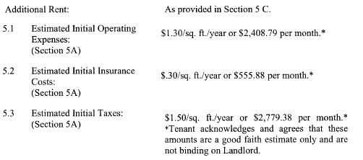
51070 | Roof Repairs |  |  | - | 50,394 | 51070 | Roof Repairs | - | - | - | 55.88% | - | - | - |  | 51070 | Roof Repairs | - | - | - | 44.12% | - | - | -
51080 | Onsite Management |  |  | 9,311 | 50,394 | 51080 | Onsite Management | 9,311 | (9,310.86) | - | 55.88% | - | - | - |  | 51080 | Onsite Management | 9,311 | (9,310.86) | - | 44.12% | - | - | -
51100 | Sidewalk Maintenance |  |  | 1,033 | 50,394 | 51100 | Sidewalk Maintenance | 1,033 | (1,032.50) | - | 55.88% | - | - | - |  | 51100 | Sidewalk Maintenance | 1,033 | - | 1,032.50 | 44.12% | 455.56 | 22.78 | 478.34
51110 | Monitor Fire Sprinklers |  |  | 1,000 | 50,394 | 51110 | Monitor Fire Sprinklers | 1,000 | (1,000.00) | - | 55.88% | - | - | - |  | 51110 | Monitor Fire Sprinklers | 1,000 | - | 1,000.00 | 44.12% | 441.22 | 22.06 | 463.28
51120 | Fire Protection Repairs |  |  | 1,000 | 50,394 | 51120 | Fire Protection Repairs | 1,000 | (1,000.00) | - | 55.88% | - | - | - |  | 51120 | Fire Protection Repairs | 1,000 | - | 1,000.00 | 44.12% | 441.22 | 22.06 | 463.28
56130 | Misc Expense | paint & gen maint |  | 4,056 | 50,394 | 56130 | Misc Expense | 4,056 | (4,056.25) | - | 55.88% | - | - | - |  | 56130 | Misc Expense | 4,056 | (4,056.25) | - | 44.12% | - | - | -
51150 | Sweeping |  |  | 3,835 | 50,394 | 51150 | Sweeping | 3,835 | (3,835.00) | - | 55.88% | - | - | - |  | 51150 | Sweeping | 3,835 | - | 3,835.00 | 44.12% | 1,692.09 | 84.60 | 1,776.70
51160 | Security |  |  | - | 50,394 | 51160 | Security | - | - | - | 55.88% | - | - | - |  | 51160 | Security | - | - | - | 44.12% | - | - | -
55110 | Electric/Common Area |  |  | 3,000 | 50,394 | 55110 | Electric/Common Area | 3,000 | (3,000.00) | - | 55.88% | - | - | - |  | 55110 | Electric/Common Area | 3,000 | - | 3,000.00 | 44.12% | 1,323.67 | 66.18 | 1,389.85
55110 | Electric/Association |  |  | 21,000 | 50,394 | 55110 | Electric/Association | 21,000 | (21,000.00) | - | 55.88% | - | - | - |  | 55110 | Electric/Association | 21,000 | - | 21,000.00 | 44.12% | 9,265.69 | 463.28 | 9,728.97
51050 | Pest Control | pest & gopher |  | 3,198 | 50,394 | 51050 | Pest Control | 3,198 | (3,197.80) | - | 55.88% | - | - | - |  | 51050 | Pest Control | 3,198 | - | 3,197.80 | 44.12% | 1,410.94 | 70.55 | 1,481.49
55120 | Trash Removal |  |  | - | 50,394 | 55120 | Trash Removal | - | - | - | 55.88% | - | - | - |  | 55120 | Trash Removal | - | - | - | 44.12% | - | - | -
55130 | Water/Building |  |  | - | 50,394 | 55130 | Water/Building | - | - | - | 55.88% | - | - | - |  | 55130 | Water/Building | - | - | - | 44.12% | - | - | -
55140 | Water/Common Area |  |  | 17,500 | 50,394 | 55140 | Water/Common Area | 17,500 | (17,500.00) | - | 55.88% | - | - | - |  | 55140 | Water/Common Area | 17,500 | - | 17,500.00 | 44.12% | 7,721.41 | 386.07 | 8,107.48
 |  |  |  |  |  |  |  |  |  |  |  |  |  |  |  |  |  | -

 | SUBTOTAL CAM EXPENSE |  |  | 114,069 |  |  | SUBTOTAL CAM EXPENSE | 114,069.00 | (114,069.00) | - |  | - | - | - | - |  | SUBTOTAL CAM EXPENSE | 114,069.00 | (13,367.11) | 117,815.19 | - | 51,982.79 | 2,599.14 | 54,581.93 | 2.45

 | PROPERTY TAXES |  |  |  |  |  | Property Taxes |  |  |  |  |  |  |  |  |  | Property Taxes
54000 | Property Tax |  |  | 69,680 | 50,394 | 54000 | Property Tax | 69,679.90 | (69,679.90) | - | 55.88% | - | - | - |  | 54000 | Property Tax | 69,679.90 | - | 69,679.90 | 44.12% | 30,744.39 | - | 30,744.39 |  | Impounded

 | SUBTOTAL TAXES |  |  | 69,680 |  |  | SUBTOTAL TAXES | 69,679.90 | (69,679.90) | - |  | - | - | - | - |  | SUBTOTAL TAXES | 69,679.90 | - | 69,679.90 |  | 30,744.39 | - | 30,744.39 | 1.38

 | TOTAL EXPENSE |  |  | 199,585 | MH |  | AMOUNT BILLABLE TO TENANT | 199,584.50 | (199,584.50) | - |  | - | - | - | - |  | AMOUNT BILLABLE TO TENANT | 199,584.50 | (13,367.11) | 203,330.69 |  | 89,714.21 | 2,599.14 | 92,313.35

 |  |  |  | 199,585 |  |  |  |  |  |  |  |  |  |  |  |  | CAM Cap 5% | 2025 CAP | 2026 Cap |  |  |  | Uncontrollable | 56,957.72
 |  |  |  | - |  |  |  |  |  |  |  |  |  |  |  |  | excludes utl, trash, and security | 33,692.85 | 35,377.49 |  |  |  | Capped | 35,355.63

 |  |  |  |  |  |  | BALANCE DUE |  |  |  |  |  |  | $- |  |  | BALANCE DUE |  |  |  |  |  |  | 92,313.35
 |  |  |  |  |  |  |  |  |  |  |  |  |  | $- |  |  |  |  |  |  |  |  |  | 7,692.78
 |  |  |  |  |  |  |  |  |  |  | 3% | REVISED TOTAL |  | $-
 |  |  |  |  |  |  |  |  |  |  |  |  |  |  |  |  |  |  |  |  |  |  | Slippage | -

CAM CAPS
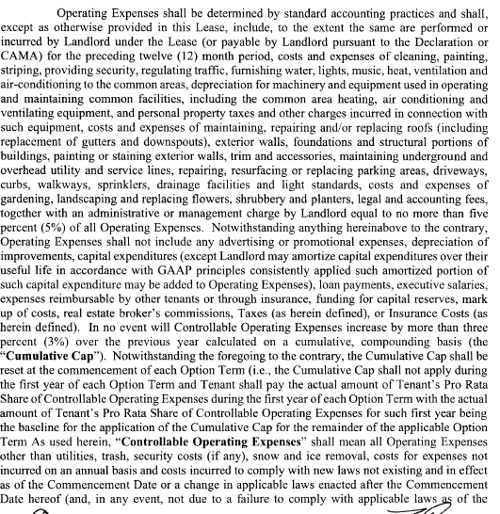
VACANCY

PLANET FITNESS

Per Section 5 (page 7)

